Table 1
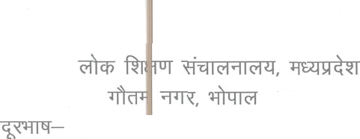 “ —462023 91—0755—2583650 —91—0755—2583651 —est1-dpi@mp.qov.in .—1 / @/ 333 2026 1074 ‹ 12.07.2026

S.N. | GRD NO. | Name of | Unique 1D | Categor | Name of Present Posting | District
1 |  |  | 4 | 5 | 6
1 | 2 | SMT ARUNA NUNA | BD6127 | UR | GGHSS TIKAMGARH (23080617276) | Tikamgarh
2 | 3 | REKHA AGRAWAL | AA2837 | UR | GOVT HSS SEMRA KALAN (Class 1 to 12) (233 Z0403135) | BHOPAL
3 |  | SMT YASHODHARA JAIN | AM6O20 | UR | GHSS BOYS NUTAN INDORE (9 TO 12) (73260101349) | INDORE
 | 7 | SMT. ABHILASHA SHARMA | AS3157 | UR | RSK BHOPAL (233203OSS04) | BHOPAL
S | 11 | MANJUSHA SHRIVASTWA | AB803O | UR | GHSSBEOHARBAGH (23390223406) | JABALPUR
 | 13 | SMT. MANJU JAIN | AA2829 | UR | GOVT HSS BOYS, MODEL SHAHJAHANABAD (Class 1 to 12) (23320400515) | BHOPAL
7 | 17 | Sunita Seth | AK9997 | UR | GGHSS Mama Ka Bazar Gwalior (23040506620) | GWALIOR
8 | 19 | SMT.MEENA GHATOLE |  | OBC | GOVT HSS RAJA BHOJ 1100 QTRS (C ass 1 tO 12) (23320302110) | BHOPAL
9 | 23 | SMT. MADHU THAKUR | AA2l64 | UR | GOVT HS 25TH BATALIAN BHADBHADA (Class 1 to 1) (Z3320300824) | BHOPAL
10 | 25 | JITENORA KUMAR GUPTA | AR3317 | UR | EPES-GOVT.M.S./H.S. CHAIN A (6 to 10), Morena (23020409705) | MORENA
11 | 26 | MUKESH KUMAR JAIN | AS7081 | UR | GOVT HS BAGHANA NEEMUCH (CLASS 1 TO 1) (231807 14226) | NEEMUCH
12 | 27 | SMT.RENU SHRIVASTWA | AL1203 | UR | GHS MAHARAJPUR MORAR (Class- 1 to 1) (23040515910) | GWALIOR

S.n. | GRD NO. | Ν ame of Empéoyee | Unique ID | Categor Y | Name of Present Posting | District
1 | 2 | 3 | *; | 5 | Γ) | 7
13 | 28 | ΒΑΒΙΤΑ SHRWASTAV | έλΑ3610 | UR | GOVT HSS NARELA SHANKARI {Class 1 to 12) {23320303428} | BHOPAL
Η | !! | SANGEETA ΜΜΕ… | ΙλΚ9747 | UR | GHSS GIRLS THATlPUR MORAR (Class— 1 to 12) {23040515066} | GWALIOR
ΉΞ | Ή΄ | …τ.5υΝ1τΑ ΜΙΞΗΗΑ | ΜΜΜ | UR | G HSS GIRLS νυΑγΑ RAJE ΜΑ… [9 to 12; (23210703818) | Ullain
16 | 32 | Rekha Muley | …αν. | UR | GHSS EXCELLENCE ΜΜΕ… (9-12), {23040517075} | GWALIOR
" | 33 | ΜΜΜ… NIGAM | M1933 | UR | GOVT HS BAIRAGARH CHHICHU {Class KG to 1) (23320304305) | BHOPAL
18 | 35 | Άνι]… …ΜΑπ | ΑΑ1565 | UR | CM RISE GOVT ΜΑΗΑΤΜΑ GANDH] HSS BARKHEDA BHEL BHOPAL {23320303021} | BHOPAL
19 | ϊ! | KU. VANDNA ΑΒΗΑνΕγ | Μ3082 | UR | GOVT HS GIRLS ΜΜΜ… (9 to 1} {23111005821} | SAGAR
20 | 39 | ΒΗΑΗΤΙ GUPTA | Ακ8775 | UR | GHSS GIRLS GA]RARAJA LASHKAR κι…- 1 to 12) (23040505749) | GWALIOR
21 | … | ….…ΑΝο…κΑ TANWANI | ΑΜΒΒἹΟ | ”R | GHS PAGNISPAGA I1 ΤΟ 1} (232601058le | [NDORE
22 | 42 | SMT. ARCHANA DUBEY | A33 ?"72 | U R | IASE Jabafpur (23390210501) | JABALPUR
23 | 43 | 5ΜΤ.5Μ|ΤΑ Vishwajeet Singh | ΜΑΝΗ | UR | ΕΗΒ SWAMI νινΕκΑΝΑΝΒ ( 9 ΤΟ 12 ) (23260102928) | INDORE
24 | 44 | VENU MISHRA | AΒ 8525 | UR | GHSS π…… (23390100308) | JABALPUR
25 | 48 | ΑΚΤΑ PATHAK | Μ 818 | ι… | GOVT HSS ΕΧ, SUBHASH ΜΜΜ (Class 9 * ΤΟ 12}, Bhopal {23320301711} | BHOPAL
26 | 49 | DILIP KUMAR JAIN | AK4175 | UR | GOVT HSS NO 2 GUNA {23070633003} | GUNA
27 | 50 | PAWAN KUMAR SABARWAL | AA?141 | UR | GOVT. HS SANGRAMPUR {23330508004} | SEHORE
28 | 51 | ΒΗυ5ΗΑΝ SARAF | Ι-'κΜ3831 | UR | 2326010104SGHS LASUDIYA ΜΙΟ… {1t0 10) | Indore
29 | 53 | SNIT. ALKA AVINDRA | Ema“ | SC | GHSS GORNAGAR SAGAR {23111019503} | Sagar
Η] | 55 | ΜΟΝΙΚΑ BABELE | 985057 | UR | GHSS GIRLS ΜιΒ RIGHT TOWON {6 Το 12} {23390223017} | JABALPUR
l-
λη r.

Table 4
S.N. | GRD NO. | Name οf Employee | UniquelD | απεξω γ | NameofPresent Posting | District
1 | 2 | 3 | 4 | 5 | 6 | ?
88 | 163 | 5ΜΤ. ΜΕΕΝΑΚΞΗἹ SJNGH | AA3419 | UR | DPI BHOPAL (23320305501) | BHOPAL
89 | 165 | SMT ΑικΑ ]ΑΙΝ | Μπες8 | UR | 233204014296Η5 Μ…… (1 to 10] | Raise-n
90 | 166 | SAN DEEP NADKARNI | BD9138 | UR | ΜΒτυ11Α|Ν (23210111321) | ΜΙΑ…
Ή | …? | SMT REKHA TIWARI | έΧΑ3881 | UR | GOVT HSS GIRLS, HAMIDIA ΝΟ. 2{C1ass 1 to 12] {233204002551 | BHOPAL
92 | 169 | BALENDU DUBEY | ΒΕ4462 | UR | G EPES HS DEWAS GATE [1 to 1] (23210700709) | ΜΙΑ…
% | 172 | SMT ΜΜΜ BHOPALKAR | ΑΜ2310 | UR | ΕΝΥ EXCELLENCE ΒΑι'. VINAY MANDIR INODRE (23260104013) | INDORE
94 | 173 | DHARMENDRA KUMAR SAXENA | AM5841 | UR | GHSS AHILYA ASHRAM, Νζ)2(1"Γ*ζ.112] {23260101916} | INDORE
95 | ΠΕ | SHARAD DHARWAL | A06019 | OBC | GHSS SUBHASH INDORE (1 TO 12) (23250102152) | INDORE
% | 182 | SMT SEEMA SAXENA | 8.18923 | UR | RSK BHOPAL {23320305504} | BHOPAL
97 | 183 | SIVIT ΞΕΕΜΑ JAIN | ΑΑ2060 | UR | 233204019286Η5 BALAMPUR(1t0 10) | Bhopal
98 | 189 | 5ΜΤ.KUMUD NAMDEO | ΑΒ3872 | UR | GOVT. HS MURRAl {CLASS 1 ΤΟ 1} {'23390503904) | ΜΒΑιΡυΗ
99 | 191 | …τ.Ρυ5ΗPA DUBEY | 864544 | UR | GHS HIRWARA (Cfass 6 Το 10} {23380200902} | ΚΑΤΝΙ
ως. | 193 | SMT. KERAN PRASAD SINGH | AA3155 | UR | CIVIRISE ~GOVT HSS ω|ΑΗΑτΜΑ GANDHI BHEL (Class 1 to 12} (23320303021) | BHOPAL
101 | 4 ]΄9 | …τ.Ν|ι|ΜΑ DUBEY | ΒΕ2034 | UR | GHS NALWALFATEHABAD) (6 to 1) {23210102204} | Uljain
2 :ι0 | 195 | SMT SUNITA KHAB1A | 7 Μ……) | UR | HS RAJODA CLASS 9—1 {23230108911} | DEWAS
ΗΒ | 198 | SMT MAMATA KULKARNI | AN1448 | UR | 232601057336HS YASHWANT NAGAR(9 to 10] | Indore
ΚΝ | 230 | SMT. SEEMA SHRWASTAVA | ΡκΜ584Ο | UR | ΕΗΒ SWAMI VIVEKANAND [ 9 ΤΟ 12] {23260102928} | INDORE
ως, | … | Μ…… π…… | ΜΕ… | … | 23320302110GHS ΜΗ… {1 to 10) | Raisen
!!… | ΚΕ | SMT. SHASH ὶ ΚΑΒ-”ι TJWART | AB8528 | UR | GOVT. HSS KAMLA NEHRU, JABALPUR [Class ]. to 12} {23390217211} | JABALPUR
A
ι.
5) 6

Table 44
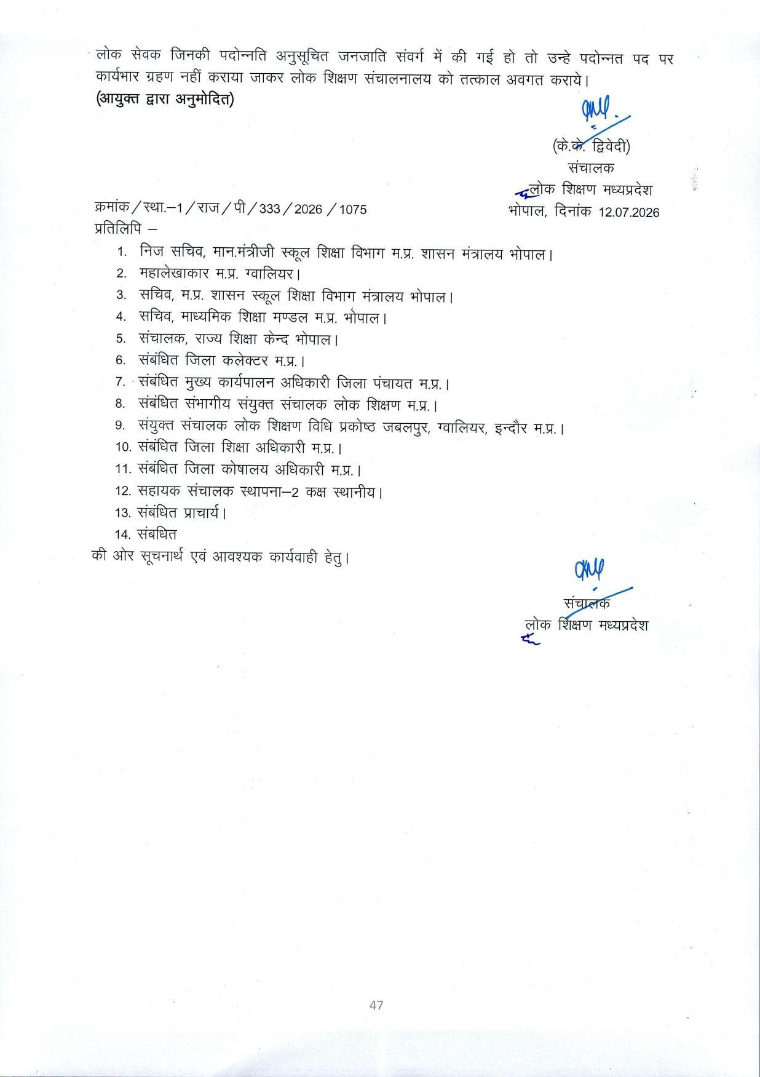
S.N | GRD NO. | Name of Employee | Unique ID | Categor | Name of Present Posting | District
1 | 2 | 3 | 4 | 5 | 6 | 7
883 | 161s | UMESH KUMAR TIWARI | AR4626 | UR | GOVT. H.S.S. EXC.MORENA(9 to 12) (23020327706) | MORENA
v8 čt s+ «rrß ż fY ń4i i by P'rfÂrv f3a wrw ś fir, 9un¢e ń«E ò«r («yęț5v wf?aï, ïȚęfîlc w«mJ?rc
ï›y wïÎzww siwóî 4r wRæ«r «ritm w yvșș r & srñn I ët m wfhu«iœ ń«it i żæv si«iõt vîi ońwfñ ù œwu, fñw &er +fńw4i widwo 4 1s f5wt čï new—Ør

